1. Title Page
[Customer Analysis]

Project Name: Instacart Customer Analysis
Date: May 2024
Analyst Name: Núria

Contents:
Population Flow
Consistency checks
Wrangling steps
Column derivations
Visualizations
Recommendations

DATA SOURCE: “The Instacart Online Grocery Shopping Dataset 2017”, Accessed from www.instacart.com/datasets/grocery-shopping-2017 via Kaggle on [ MAY 2024]

2. Population Flow
Title page

Population flow

Exclusion flag
Condition: max_order <
Obervations to be removed:
Final total count of order_products_all:

Orders_products_combined
Orders_products_merged
Orders_products_all

Total: 32435070
Total: 32434489
Total: 32435059

1.) The grey boxes in the first row of the population flow represent the original data sets as they were when you downloaded them. In the Total fields you need to add the count of the rows when you imported the data set into Jupyter.
2.) The second row of boxes (coloured) represents the data sets after you manipulated them, e.g., removed missing values and duplicates. In the Total fields you need to add the count of the rows after conducting these operations. This offers a visual oveview of how the data flows throughout the data consistency checks.
3.) The third row, where also the arrows are coloured, represents the merges you performed between the datasets. In the Total fields you need to add the count of the rows in the merged datasets, so that you end up with the final dataset (in the red box). Keep in mind the final dataset should be without exclusions (based on the exclusion flag).

3. Consistency checks
 |  |  |  | Title page
Consistency checks

Dataset | Missing values | Missing values treatment | Duplicates
orders | 206209 | It was assumed that this values corresponded to first time orders so they were not dropped
products | 16 missing values in 'product name | they were dropped | 5 duplicates where found
orders_products_prior
customers

4. Wrangling steps
 |  |  |  | Title page
Wrangling steps

Columns dropped | Columns renamed | Columns' type changed | Comment/Reason
unnamed: 0 |  |  | Useless
unnamed: 1 |  |  | Useless
First Name |  |  | Useless, personal information
Surnam |  |  | Useless, personal information
 | order_dow TO orders_day_of_week |  | easier to read
 | order_hour_of_day TO hour_order_is_made |  | made more sense
 |  | user_id (str) | to conduct analysis
 |  | All int columns from int64 to int32 | to save memory usage

5. Column derivations
 |  |  |  |  | Title page

Column derivations and aggregations

Dataset | New column | Column/s it was derived from | Conditions
ords_prods_merge | price_range | price_label (prices) | if row['prices'] <= 5:
ords_prods_merge | busiest_day | orders_day_of_week | for value in ords_prods_merge['orders_day_of_week']:
ords_prods_merge | busiest_hour | hour_order_is_made | for value in ords_prods_merge['hour_order_is_made']:
ords_prods_merge | loyalty_flag | max_order(user_id + order_number) | ords_prods_merge.loc[ords_prods_merge['max_order'] >= 40, 'loyalty_flag'] = 'Loyal customer' ords_prods_merge.loc[(ords_prods_merge['max_order'] < 40) & (ords_prods_merge['max_order'] > 10), 'loyalty_flag'] = 'regular customer' ords_prods_merge.loc[ords_prods_merge['max_order'] <= 10, 'loyalty_flag'] = 'new customer'
ords_prods_merge | spender_type | mean_spent (user_id + prices) | ords_prods_merge['mean_spent'] = ords_prods_merge.groupby(['user_id'])['prices'].transform(np.mean) ords_prods_merge.loc[ords_prods_merge['mean_spent'] < 10, 'spender_type'] = 'Low spender' ords_prods_merge.loc[ords_prods_merge['mean_spent'] >= 10, 'spender_type'] = 'High spender'
ords_prods_merge | frequency type | frequency_of_order | elif value in [17, 8, 18, 19, 20, 7, 21, 22]:
cust_ords_prods | activity_flag | max_order | df.loc[(df['max_order'] <= 5), 'activity_flag'] = 'Low activity' df.loc[(df['max_order'] > 5), 'activity_flag'] = 'High activity'
df_exclusion | income_type | income | result_2 = [] for value in df_exclusion['income']: if value <= 76099: result_2.append('low income') if (value >= 76100) & (value < 114142): result_2.append('mid income') if value >= 114142: result_2.append('high income')
df_exclusion | age_group | age | result_3 = []
df_exclusion | schedule | hour_order_is_made | result_5 = []
df_exclusion | parental_status | n_dependants | result_6 = []
df_exclusion | family_type | age_group + parental_status | df_exclusion.loc[(df_exclusion['age_group'] == 'Young Adult') & (df_exclusion['parental_status'] == 'Parent'), 'family_type'] = 'Young parent' df_exclusion.loc[(df_exclusion['age_group'] == 'Young Adult') & (df_exclusion['parental_status'] == 'Non parent'), 'family_type'] = 'Single young adult' df_exclusion.loc[(df_exclusion['age_group'] == 'Adult') & (df_exclusion['parental_status'] == 'Parent'), 'family_type'] = 'Middle age parent' df_exclusion.loc[(df_exclusion['age_group'] == 'Adult') & (df_exclusion['parental_status'] == 'Non parent'), 'family_type'] = 'Single middle age' df_exclusion.loc[(df_exclusion['age_group'] == 'Elder') & (df_exclusion['parental_status'] == 'Parent'), 'family_type'] = 'Senior parent' df_exclusion.loc[(df_exclusion['age_group'] == 'Elder') & (df_exclusion['parental_status'] == 'Non parent'), 'family_type'] = 'Single senior'

PRICE RANGE |  | LOYALTY FLAG | ACTIVITY FLAG | SCHEDULE
Mid-range product 652638 |  | regular customer 15523858 | High activity 30199644 | Early Bird 15245418
Low-range product 338018 |  | Loyal customer 10661676 | Low activity 2235415 | Night Owl 14954226
High range 9344 |  | new customer 6249525

BUSIEST DAY |  | SPENDER TYPE | INCOME TYPE | PARENTAL STATUS
Regularly busy 22437999 |  | Low spender 31800381 | high income 10316038 | Parent 22653114
Busiest day 6209808 |  | High spender 634678 | mid income 10014264 | Non parent 7546530
Least busy 3787263 |  |  | low income 9869342

BUSIEST HOURS |  | FREQUENCY TYPE | AGE GROUP | FAMILY TYPE
Most orders 21137805 |  | Frequent customer 22809921 | Adult 14210113 | Middle age parent 10655458
Average orders 10006995 |  | Regular customer 6935132 | Elder 10315231 | Senior parent 7734880
Fewest orders 1290270 |  | Non-frequent customer 2690006 | Young Adult 5674300 | Young parent 4262776
 |  |  |  | Single middle age 3554655
 |  |  |  | Single senior 2580351
 |  |  |  | Single young adult 1411524

6. Visualizations
 |  | Title page

Visualisations

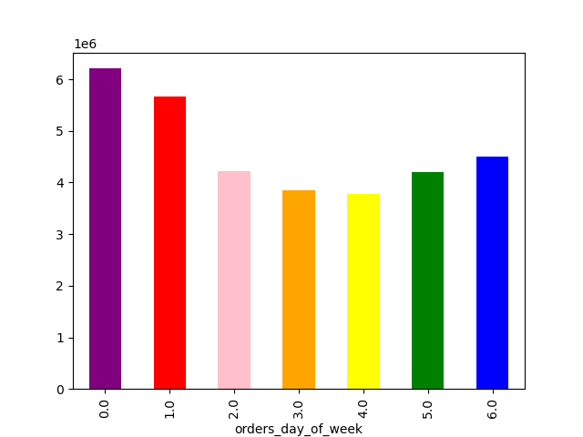
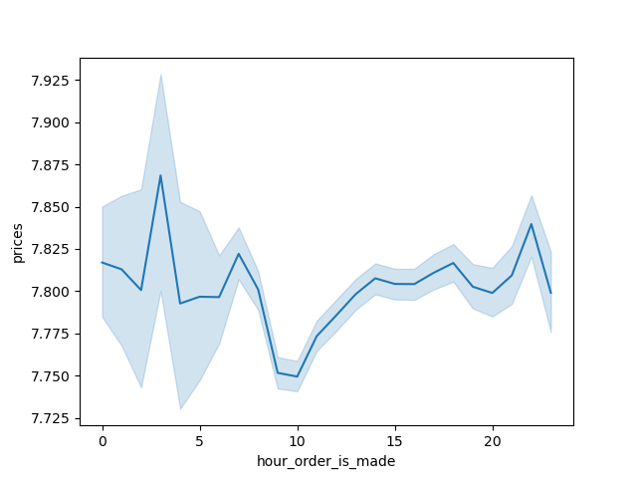

Shows the order distribution across all days of the week, showing the busiest days | Shows at which hours doe clients buy pricier products

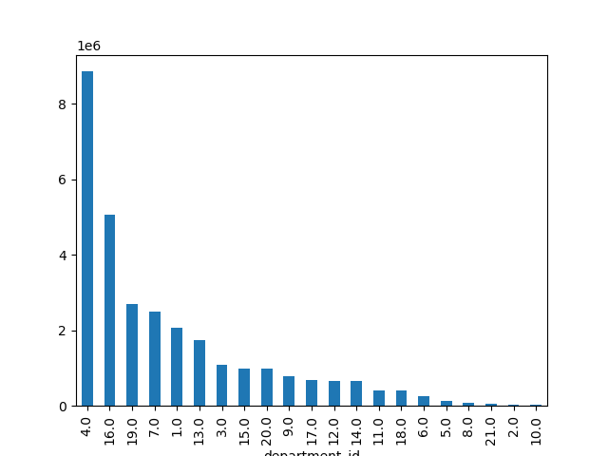
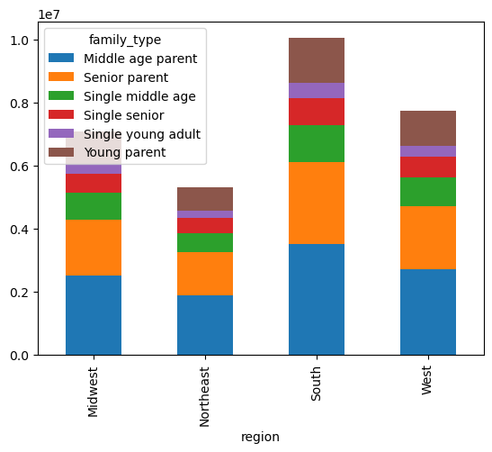
 |  |  | ID | department
 |  |  | 1 | frozen
 |  |  | 2 | other
 |  |  | 3 | bakery
 |  |  | 4 | produce
 |  |  | 5 | alcohol
 |  |  | 6 | international
 |  |  | 7 | beverages
 |  |  | 8 | pets
 |  |  | 9 | dry goods pasta
 |  |  | 10 | bulk
 |  |  | 11 | personal care
 |  |  | 12 | meat seafood
 |  |  | 13 | pantry
 |  |  | 14 | breakfast
 |  |  | 15 | canned goods
 |  |  | 16 | dairy eggs
 |  |  | 17 | household
 |  |  | 18 | babies
 |  |  | 19 | snacks
 |  |  | 20 | deli
 |  |  | 21 | missing

Shows which departments are most popular ** legend on the side** | Shows family type in each region

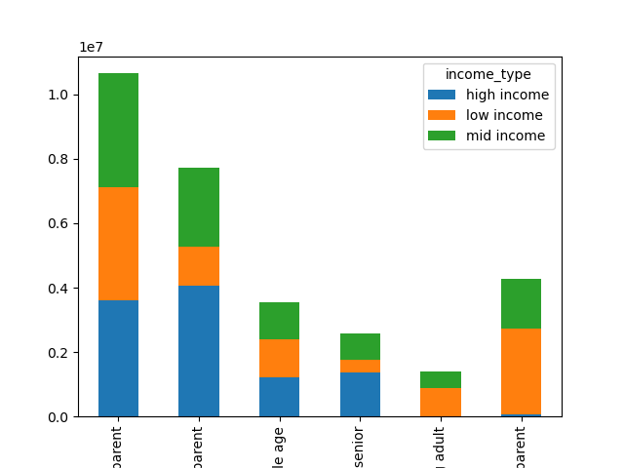

Shows income across the different family types

7. Recommendations
 |  |  | Title page

Recommendations

Question |  | Answer
The sales team needs to know what the busiest days of the week and hours of the day are (i.e., the days and times with the most orders) in order to schedule ads at times when there are fewer orders. | Tuesday and wendesday are the weakes days of the week, placing ads on this days could make them more busy.
They also want to know whether there are particular times of the day when people spend the most money, as this might inform the type of products they advertise at these times. | 4am 6am and 9pm are the hours clients spend on higest priced items, a research could be conducted on what items are being advertised at this times to see how this affects sales.
Are there certain types of products that are more popular than others? The marketing and sales teams want to know which departments have the highest frequency of product orders | Produce, snaks, dairy and eggs, and bervages are the most bought items, these are 'basic products' in most people's kitchen. It's also interesting to look at the least favourite items such as bulk, pets, alcohol and 'others'. This products could be promoted in order to improve their sales or maybe revised to see why they are not as popular, maybe a lack of variety or proces being too high.
The marketing and sales teams are particularly interested in the different types of customers in their system and how their ordering behaviors differ | Customers vary depending on the Region, the South is where most customers are and the Midwest has the least. Placing a promotion on states from the Miswest could result in higher numbers at the end of the year. Further investigation on why there are less customers there could help set the strategy, it would be due to the app being less known, more powerfull competitors, other lifestyles that istacart does not really adapt to...
 | Seniors are the population that have the highest income, while youths are the ones with the lowest. Segmented advertising ia a great tool to use at instacart's favor, promoting higher priced items at those who are capable of paying them, and promotions to those that might be hesitant so even buy more basic stuff.

